Connector List
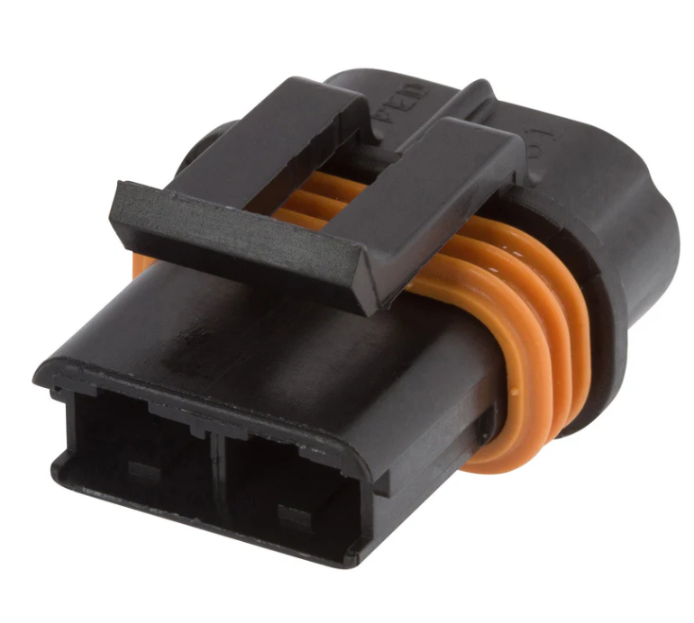
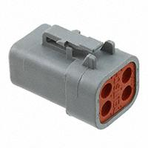
Fan 1 connector |  |  | Fuse Fan 1 |  |  |  | Fuse Fan 2
Connector Part # |  |  | Connector part # |  |  |  | Connector part #
DTP06-4s |  |  | 12066681 |  |  |  | 12066681
Secondary Part number # |  |  | Terminals |  |  |  | Terminals
4ws Wedge Lock |  |  | 12033997-L |  |  |  | 12033997-L
Terminals
1060-12-0222

Wire List | Awg | Length
Pin 1: Power wire | 12 |  | Wire list | Awg | Length |  | Wire list |  | Awg | Length
Pin 2: Power wire | 12 |  | Pin A : Relay 1 Power | 12 |  |  | Pin A : Relay 2 Power |  | 12
PIN 3 : GROUND |  |  | Pin A: Power Source | 12 |  |  | Pin A: Power Source |  | 12
Pin 3 :Ground

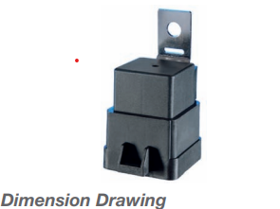
 |  |  | Relay #1 |  |  | Relay #2
 |  |  | Connector part # |  |  | Connector part #
 |  |  | 12077993 |  |  | 12077993
 |  |  | Terminals |  |  | Terminals
 |  |  | 12033997 |  |  | 12033997
 |  |  | 12066614 |  |  | 12066614

 |  |  | Wire list | Awg | Length | Wire list | Awg | Length
 |  |  | PIN : 30 Fans P1 | 12 |  | PIN : 30 Fans P2 | 12
 |  |  | PIN : 87 FUSE 1 | 12 |  | PIN : 87 FUSE 2 | 12
 |  |  | Pin : 86 SPLICE 1 | 22 |  | Pin : 86 SPLICE 1 | 22
 |  |  | Pin : 85 ECU GROUN TRigger | 22 |  | Pin : 85 ECU GROUN TRigger | 12

